Hiearchy View
CLASS: PIPE HEATER
heat-transfer device that employs phase transition to transfer heat between two solid interfaces. |  | 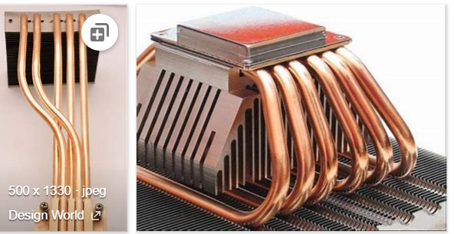
REMOVE | N

PROBLEM_DESC | CAUSE_DESC | REMEDY_DESC
BROKEN/DAMAGED
LEAKING
LIGHTING
OTHER PROBLEM
OVERHEATING
POWER-ELEC
SMELL
STOPPED/SLOWED/POOR OPS
TEMP-CTRL
VIBRATION
Grand Total

